1. Title Page
[Project Name]

Project Name: Instacart Grocery Basket Analysis
Date: 2/9/2024
Analyst Name: Bazilla Imran

Contents:
Population Flow
Consistency checks
Wrangling steps
Column derivations
Visualizations
Recommendations

2. Population Flow
Title page

Population flow

Exclusion flag
Condition: max_order < 5
Obervations to be removed: 1440295
Final total count of order_products_all: 30964564

Orders_products_combined
Orders_products_merged
Orders_products_all

Total: 32404859
Total: 32434489
Total: 32404859

1.) The grey boxes in the first row of the population flow represent the original data sets as they were when you downloaded them. In the Total fields you need to add the count of the rows when you imported the data set into Jupyter.
2.) The second row of boxes (coloured) represents the data sets after you manipulated them, e.g., removed missing values and duplicates. In the Total fields you need to add the count of the rows after conducting these operations. This offers a visual oveview of how the data flows throughout the data consistency checks.
3.) The third row, where also the arrows are coloured, represents the merges you performed between the datasets. In the Total fields you need to add the count of the rows in the merged datasets, so that you end up with the final dataset (in the red box). Keep in mind the final dataset should be without exclusions (based on the exclusion flag).

3. Consistency checks
 |  |  |  | Title page
Consistency checks

Dataset | Missing values | Missing values treatment | Duplicates
orders | 206209 missing values for days_since_prior_order | no action needed ---retaining the NaN values in this column is reasonable as it preserves the meaningful context, indicating the absence of prior orders for users making their first order. | ----
products | 16 missing name | extract only the observations from df_prods where product_name column is not blank and store it in a new dataframe df_prods_clean. Used this new df for further analysis. | 5 duplicates. Create a new dataframe that doesn’t include the duplicates. Df_prods_clean_no_dups
orders_products_prior | ---- | ---- | ----
customers | 11259 first name | kept them since we are only missing first names. However, enhanced the comprehensibility of our data by replacing these missing values with 'Unknown' | -----

4. Wrangling steps
 |  |  |  | Title page
Wrangling steps

Columns dropped | Columns renamed | Columns' type changed | Comment/Reason
Orders Data:
eval_set |  |  | no need
 | 'orders_dow' --> 'orders_day_of_week' |  | Easier to understand
 |  | order_id --> string | avoid treating as num in analysis
 |  | use_id --> string | avoid treating as num in analysis
Products Data: |  | 'products_name' --> string | checking for mixed data type
Customer Data: |  | 'first_name' --> string | checking for mixed data type
 | fam_status'->'family_status' |  | clarity
 | 'Surnam' --> 'Last Name' |  | consistency
 | n_dependants' -> 'dependants' |  | clarity
 | 'STATE' --> 'State' |  | consistency

5. Column derivations
 |  |  |  | Title page

Column derivations and aggregations

In this tab you should add tables below that the frequences of flags/label variables that you produced after deriving them. NB: don't do this for continuous variables, only for flags.
Dataset | New column | Column/s it was derived from | Conditions
df_ords_prods_merge | price_range_loc | price | prices <= 5: 'Low range product' price > 5 and <= 15: 'Mid range product' price >15: 'High range product'
 | busiest_day | orders_day_of_week | value == 0: 'Busiest day' value == 4: 'Least busy' else: 'Regularly busy'
 | busiest_days | orders_day_of_week | value == 0 or 1: 'Busiest days' value == 4 or 3: 'Slowest days' else: 'Regular days'
 | busiest_period_of_day | order_hour_of_day | value == 10, 11, 14, 15, 13, 12, 16 or 9: 'Most orders' value == 3, 4, 2, 5, 1, 0, 6 or 23: 'Fewest orders' else: 'Average orders'
df_ords_prods_merge_derived | loyalty_flag | order | max_order > 40: 'Loyal customer' max_order <= 40 and > 10: 'Regular customer' max_order <= 10: 'New customer'
 | spending_flag | price range | mean_prices >= 10: 'High spender' mean_price <10: 'Low spender'
 | frequency_flag | intervals | median_orders_interval > 20: 'Non-frequent customer' median_orders_interval <= 20 and >10: 'Regular customer' median_orders_interval <= 10: 'Frequent customer'
df_ex_sub, df_s | region | state | conditions see links: https://simple.wikipedia.org/wiki/List_of_regions_of_the_United_States
small | age_flag | age | age < = 24: 'Young Adult' age >24 and <= 44: 'adult' age > 44 and <=60: 'middle aged' age >60:'senior'
 | income_flag | income | income >= 100k: 'High income' income < 100k and >= 50k: 'Middle income' income < 50k: 'Low income'

6. Visualizations and Solutions
Title page

Visualisations / Recommendations

1.The sales team needs to know what the busiest days of the week and hours of the day are in order to schedule ads at times when there are fewer orders.

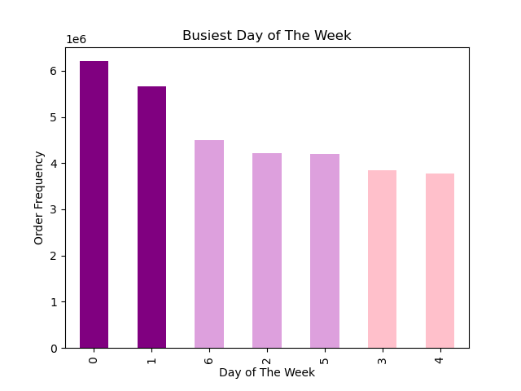
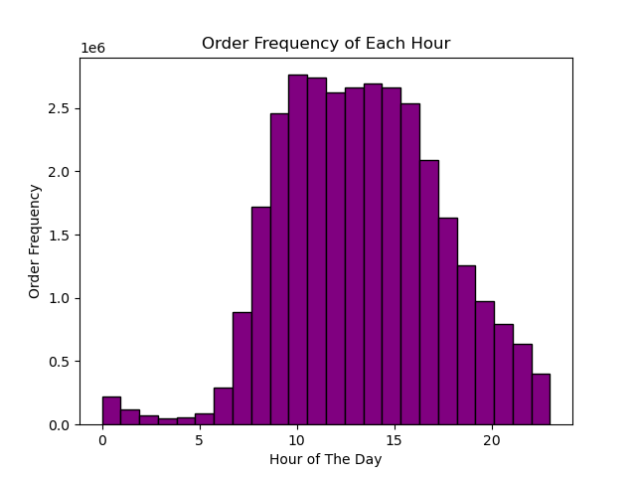

The sales team may need to prioritize less busy periods, like Tuesday and Wednesday, before 9 a.m. and after 4 p.m. The busiest days of the week are Saturday and Sunday, with peak hours from 9 a.m. to 4 p.m.

2.They also want to know whether there are particular times of the day when people spend the most money, as this might inform the type of products they advertise at these times.

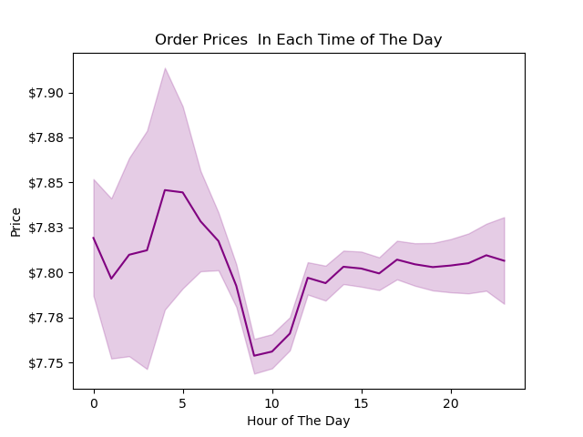
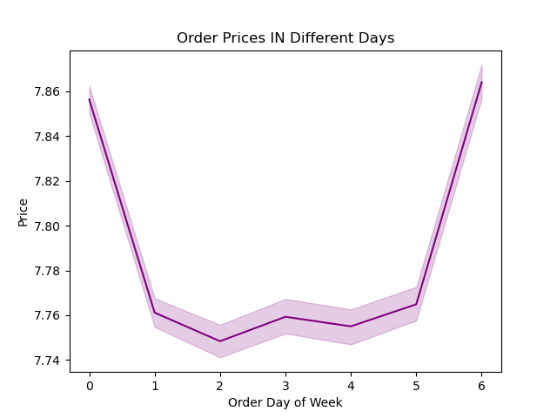

High- value products should be advertised during the peak spending hours, especially between 2 am to 4 am and around 10 pm.The advertising strategy should be maximized during the weekends when we see a peak in spending, specifically after Thursday and before Sunday ends. and There is an increase in high-priced item purchases from 9 pm to 11 pm, peaking at 10 pm. This is followed by a significant surge from 2 am to around 5 am.

3.Instacart has a lot of products with different price tags. Marketing and sales want to use simpler price range groupings to help direct their efforts.

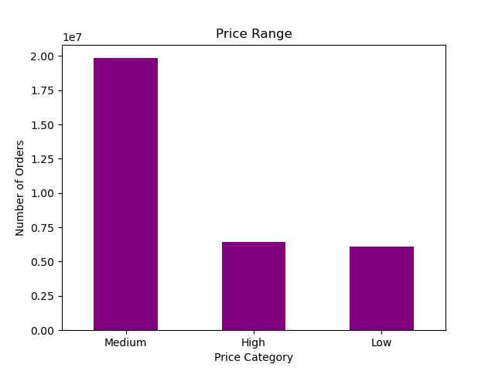
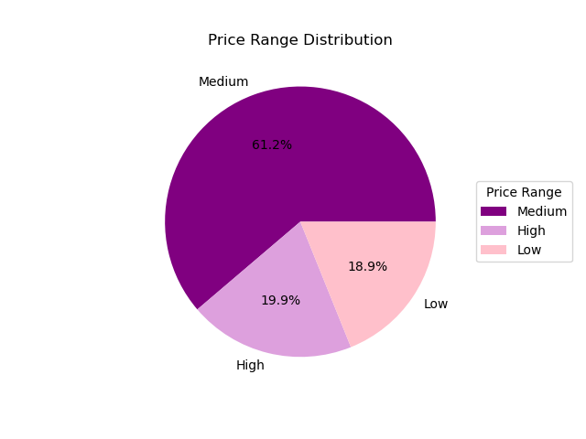

It's essential to prioritize marketing and sales efforts by focusing on mid-range priced products, which make up 61% of the inventory. However, its also important to strategize for both low and high-range products. Together, they account for 37% of all orders.

4.Are there certain types of products that are more popular than others? The marketing and sales teams want to know which departments have the highest frequency of product orders.

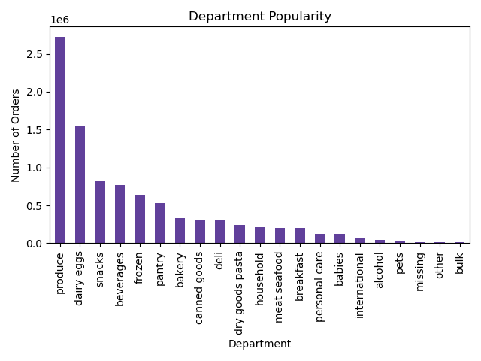
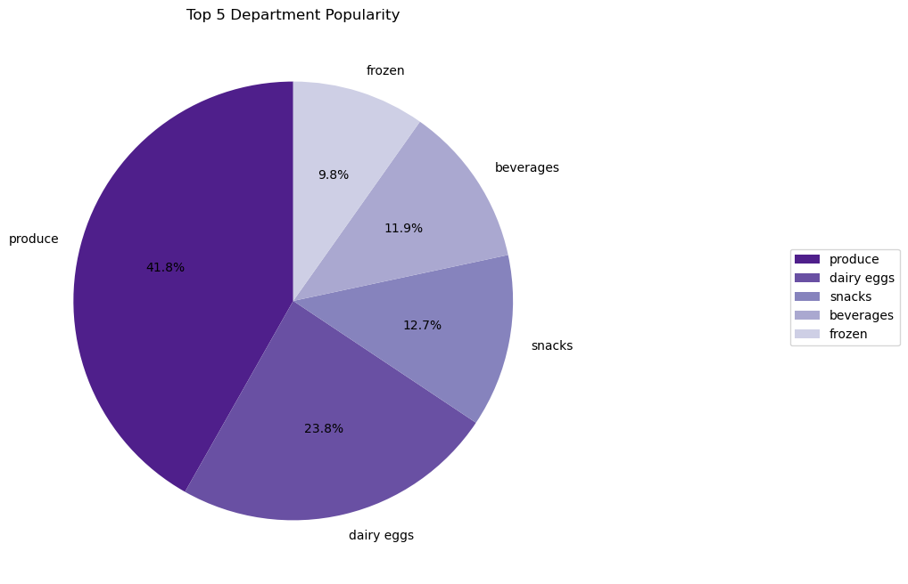

Prioritize the Produce and Dairy Eggs departments as they have the highest frequency of product orders, contributing 42% and 24% of the orders respectively. Additionally, focus on Snacks, Beverages, and Frozen categories as they are the next highest in demand. Develop targeted campaigns, promotions, and advertisements for these top five high-demand categories to capitalize and maximize sales profits.

5.What’s the distribution among users in regards to their brand loyalty (i.e., how often do they return to Instacart)?

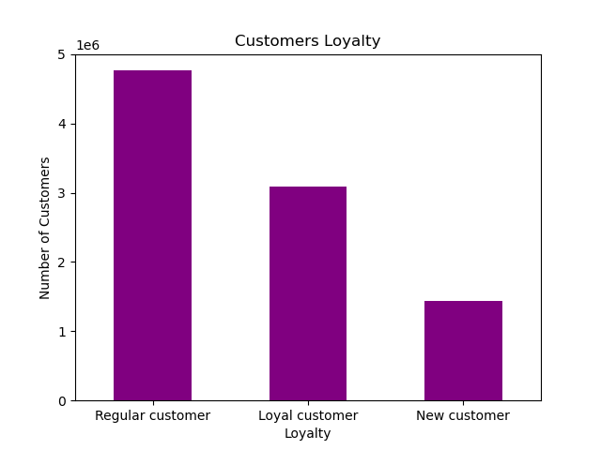
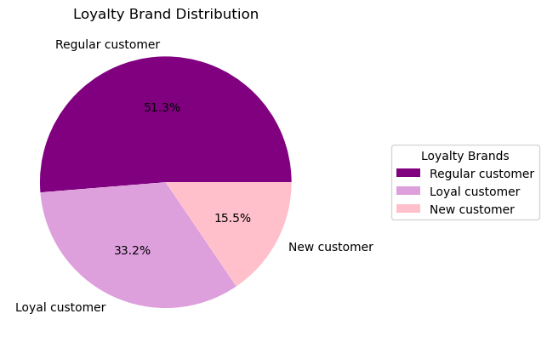

Introduce more loyalty packages and membership options, offer reduced or free delivery, and implement point reward systems to increase the loyal customer base. These strategies can help convert regular customers into loyal ones. It's also vital to attract new customers with affordable membership options, turning them into future loyal customers. Additionally, advertisements and promotions should be customized based on individual customer needs. Regular customers currently constitute 51% of the total customer population, while loyal customers make up only 33.2%. Therefore, it's crucial to convert regular customers into loyal ones. Furthermore, it's essential to draw more new customers to Instacart for groceries. This can be achieved by studying demographic needs and meeting them through efficient advertising.

6.Are there differences in ordering habits based on a customer’s loyalty status

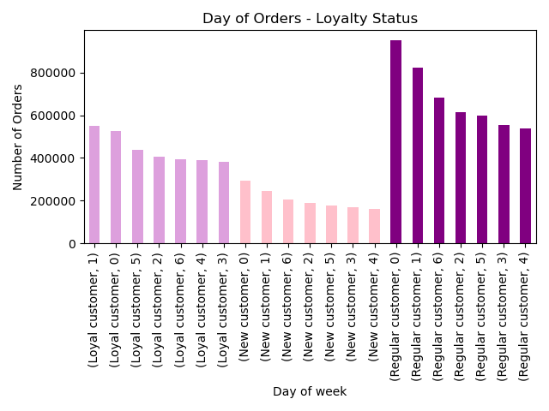
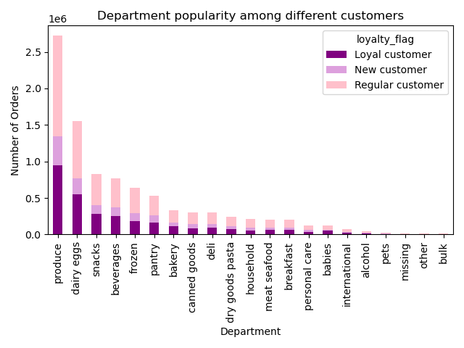

For loyal customers who order frequently, personalized promotions and loyalty rewards can be implemented to maintain engagement. For those with longer order intervals, consider targeted re-engagement campaigns to encourage more frequent orders. Regular customers, who order more consistently than loyal and new customers, could be offered loyalty status to encourage them to order more frequently.

7.Are there differences in ordering habits based on a customer’s region?
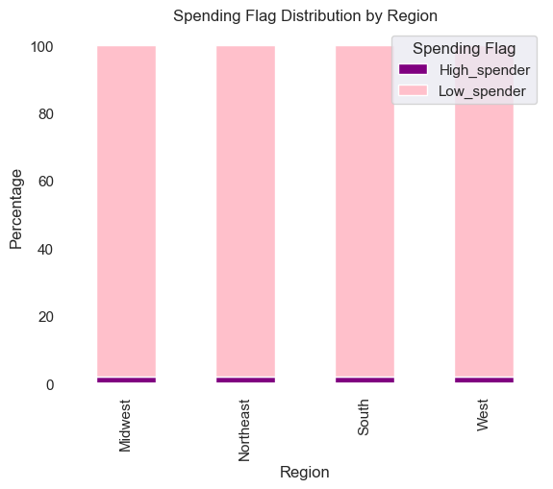
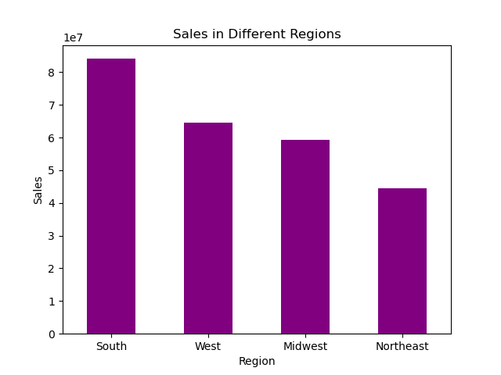

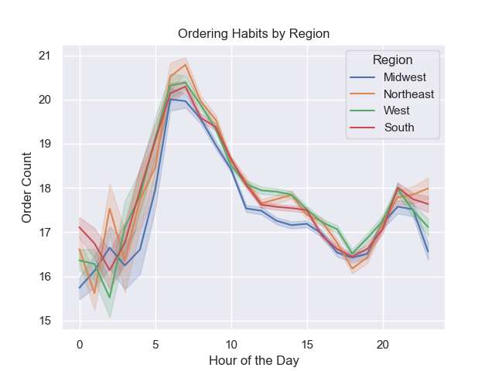
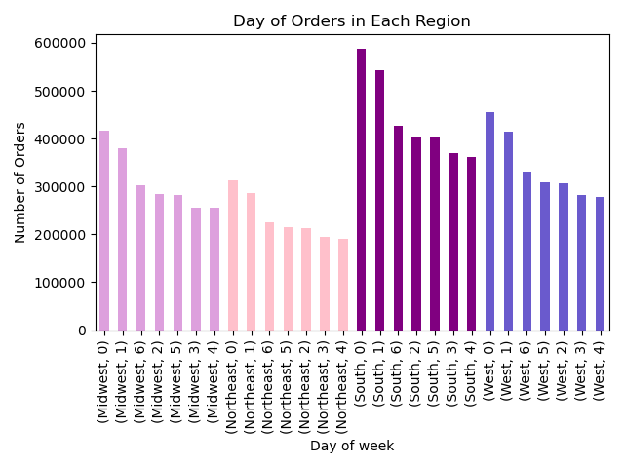

Conduct further research on the demographics and cultural preferences of the Northeast, Midwest, and West regions to better cater to their needs and Invest in developing an advertising campaign to demonstrate to the public how efficiently Instacart can meet their needs. For the South region, closely monitor customer reviews and feedback on their experiences to maintain the high volume of orders from this area. Focus regional advertising on peak activity periods, which are from 5 am to 10 am, and address the order count decrease that occurs around 6 pm.

8.Is there a connection between age and family status in terms of ordering habits?

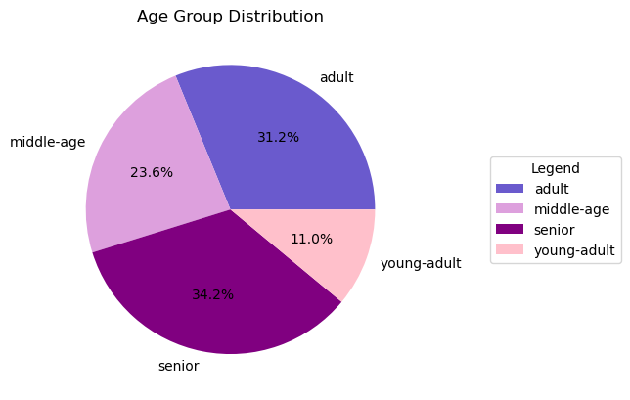
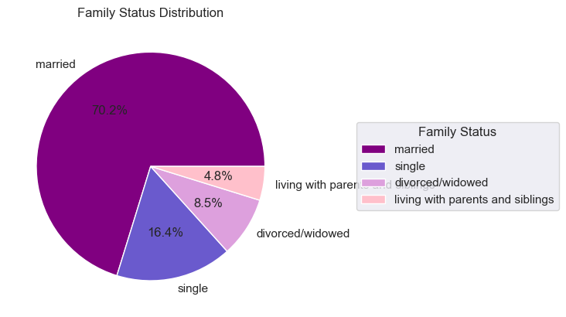

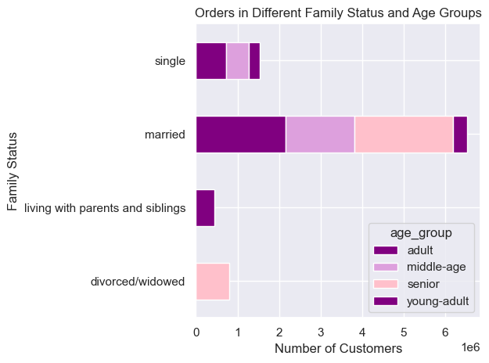
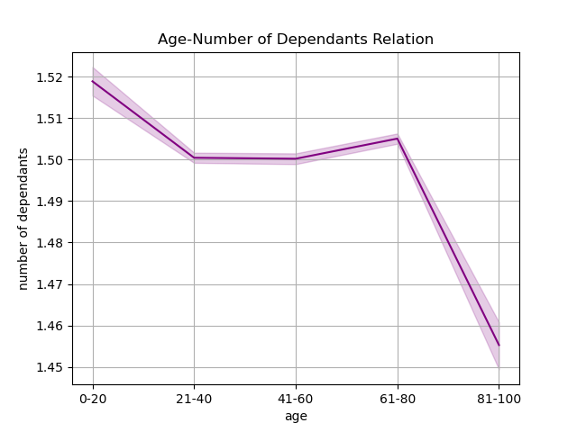

Prioritize marketing efforts towards the married segment, specifically seniors and adults, as they constitute 34% and 31% of our customer base, respectively. Tailor promotions to young adults living with their parents and those in their 20s, as these groups may have a larger number of dependents. Personalized outreach should be considered for single and divorced or widowed customers. Execute campaigns that cater to the specific needs and preferences of each demographic group to increase customer satisfaction.

9.What different classifications does the demographic information suggest? Age? Income? Certain types of goods? Family status?

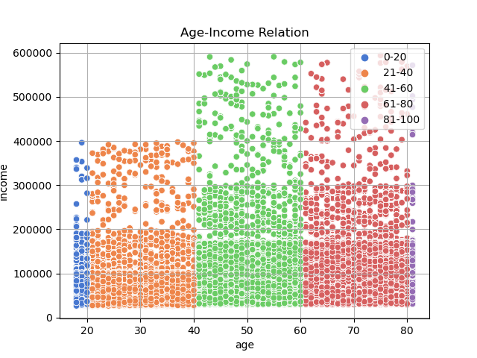

Conduct high-value marketing campaigns for customers over 40 who earn more than 400k, offering products tailored to their specific age group needs. For those earning less than 200k across all age groups, offer promotions and savings deals, with products designed according to the needs of each age group.

10.What differences can you find in ordering habits of different customer profiles? Consider the price of orders, the frequency of orders, the productscustomers are ordering, and anything else you can think. of

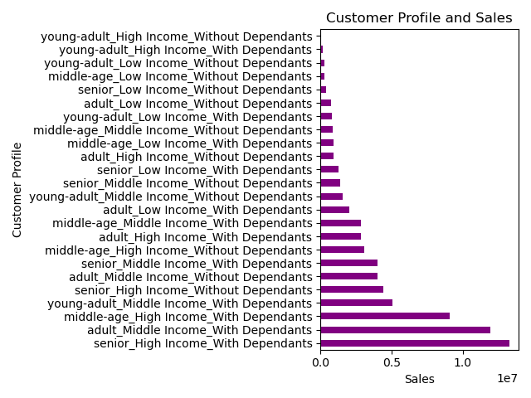
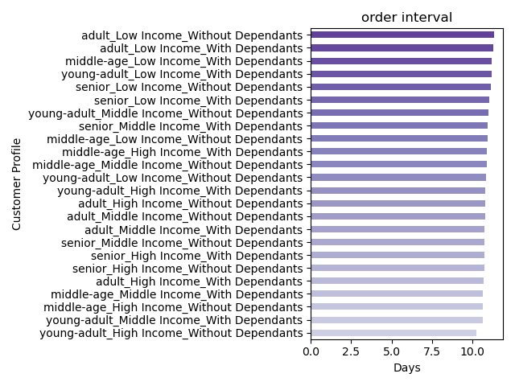

Prioritize and incentivize frequent orders among all age groups with high and middle income who have dependents, as they generate the most sales. Implement savings deals for bulk item shopping and reward systems to encourage more sales among lower income age groups based on their needs. Analyze the needs of high-income young adults without dependents and devise a marketing plan to target this demographic. Currently, they represent the smallest portion of sales and place orders less frequently.

